Sheet1
Product Name | Price | Stock Satus
T-shirt | $200.00 | Available |  | oil | $200.00
Pant | $400.00 | out of stock |  | bra | $200.00
lower | $200.00 | Available |  | Mirror | $40.00
half pant | $150.00 | Available |  | sabun | $40.00
underwear | $90.00 | Available |  | nail palis | $10.00
shirt | $600.00 | Available
cap | $100.00 | Available |  | xlookup Formula
jacket | $900.00 | Available |  | $200.00 | out of stock
Formal pant | $600.00 | Available |  | Available
shokes | $50.00 | Available
Lipstick | $40.00 | Available
nail palis | $10.00 | Available
cream | $180.00 | Available
facewash | $120.00 | Available
oil | $200.00 | Available
perfume | $200.00 | out of stock
sampu | $60.00 | out of stock
sabun | $40.00 | out of stock
powder | $70.00 | out of stock
Mirror | $40.00 | out of stock
bra | $200.00 | out of stock
Penty | $200.00 | out of stock

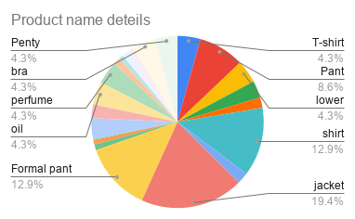

Total Income | most expensive | Most cheap
$4,650.00 | $900.00 | $10.00

Available stock | Out of stock | Average
14 | 8 | 211.36

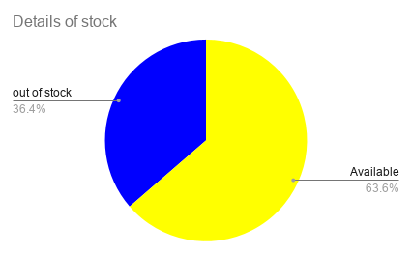
Total value of out stock | Total value of Available | Total item in the shop
1210 | 3440 | 22

out of stock
Pant | $400.00 | out of stock
perfume | $200.00 | out of stock
sampu | $60.00 | out of stock
sabun | $40.00 | out of stock
powder | $70.00 | out of stock
Mirror | $40.00 | out of stock
bra | $200.00 | out of stock
Penty | $200.00 | out of stock

Available stock
T-shirt | $200.00 | Available
lower | $200.00 | Available
half pant | $150.00 | Available
underwear | $90.00 | Available
shirt | $600.00 | Available
cap | $100.00 | Available
jacket | $900.00 | Available
Formal pant | $600.00 | Available
shokes | $50.00 | Available
Lipstick | $40.00 | Available
nail palis | $10.00 | Available
cream | $180.00 | Available
facewash | $120.00 | Available
oil | $200.00 | Available

sort true |  |  | sort false
nail palis | $10.00 | Available | jacket | $900.00 | Available
Lipstick | $40.00 | Available | shirt | $600.00 | Available
sabun | $40.00 | out of stock | Formal pant | $600.00 | Available
Mirror | $40.00 | out of stock | Pant | $400.00 | out of stock
shokes | $50.00 | Available | T-shirt | $200.00 | Available
sampu | $60.00 | out of stock | lower | $200.00 | Available
powder | $70.00 | out of stock | oil | $200.00 | Available
underwear | $90.00 | Available | perfume | $200.00 | out of stock
cap | $100.00 | Available | bra | $200.00 | out of stock
facewash | $120.00 | Available | Penty | $200.00 | out of stock
half pant | $150.00 | Available | cream | $180.00 | Available
cream | $180.00 | Available | half pant | $150.00 | Available
T-shirt | $200.00 | Available | facewash | $120.00 | Available
lower | $200.00 | Available | cap | $100.00 | Available
oil | $200.00 | Available | underwear | $90.00 | Available
perfume | $200.00 | out of stock | powder | $70.00 | out of stock
bra | $200.00 | out of stock | sampu | $60.00 | out of stock
Penty | $200.00 | out of stock | shokes | $50.00 | Available
Pant | $400.00 | out of stock | Lipstick | $40.00 | Available
shirt | $600.00 | Available | sabun | $40.00 | out of stock
Formal pant | $600.00 | Available | Mirror | $40.00 | out of stock
jacket | $900.00 | Available | nail palis | $10.00 | Available

